GPS Testing
GPS Testing

Test Case ID: |  | 1 |  | Test Designed by:
Test Priority (Low/Medium/High): |  | High |  | Test Designed data:
Module Name |  | GPS Testing |  | Test Executed by:
Test Titlle: |  | GPS signal testing for accuracy |  | Test Execution date:
Description: |  | GPS signal is tested for accuracy in comparison to a known reference, most likely cell-phone or other reference, if available. Latitude and longitude coordinates are logged and compared with an error rate calculated to ensure it is with performance specifications.

Pre-condtions:
Componets under test: GPS, Raspberry Pi, phone
Test Tools:

Step | Test Steps | Test Data | Expeacted Results | Actual Result | Satus (Pass/Fail) | Note
1 | With GPS connected to raspberry pi start logging latitude and longitude coordinates to file with car stationary
2 | At the same time start logging GPS coordinates using phone connected to GPS and data
3 | Log for 5 minutes with car stationary
4 | Drive car for 10 minutes around city logging data
5 | Compare data logged from GPS to cell phone by finding, maximum and average difference between data to see if specifications are met

Post-Condtion:

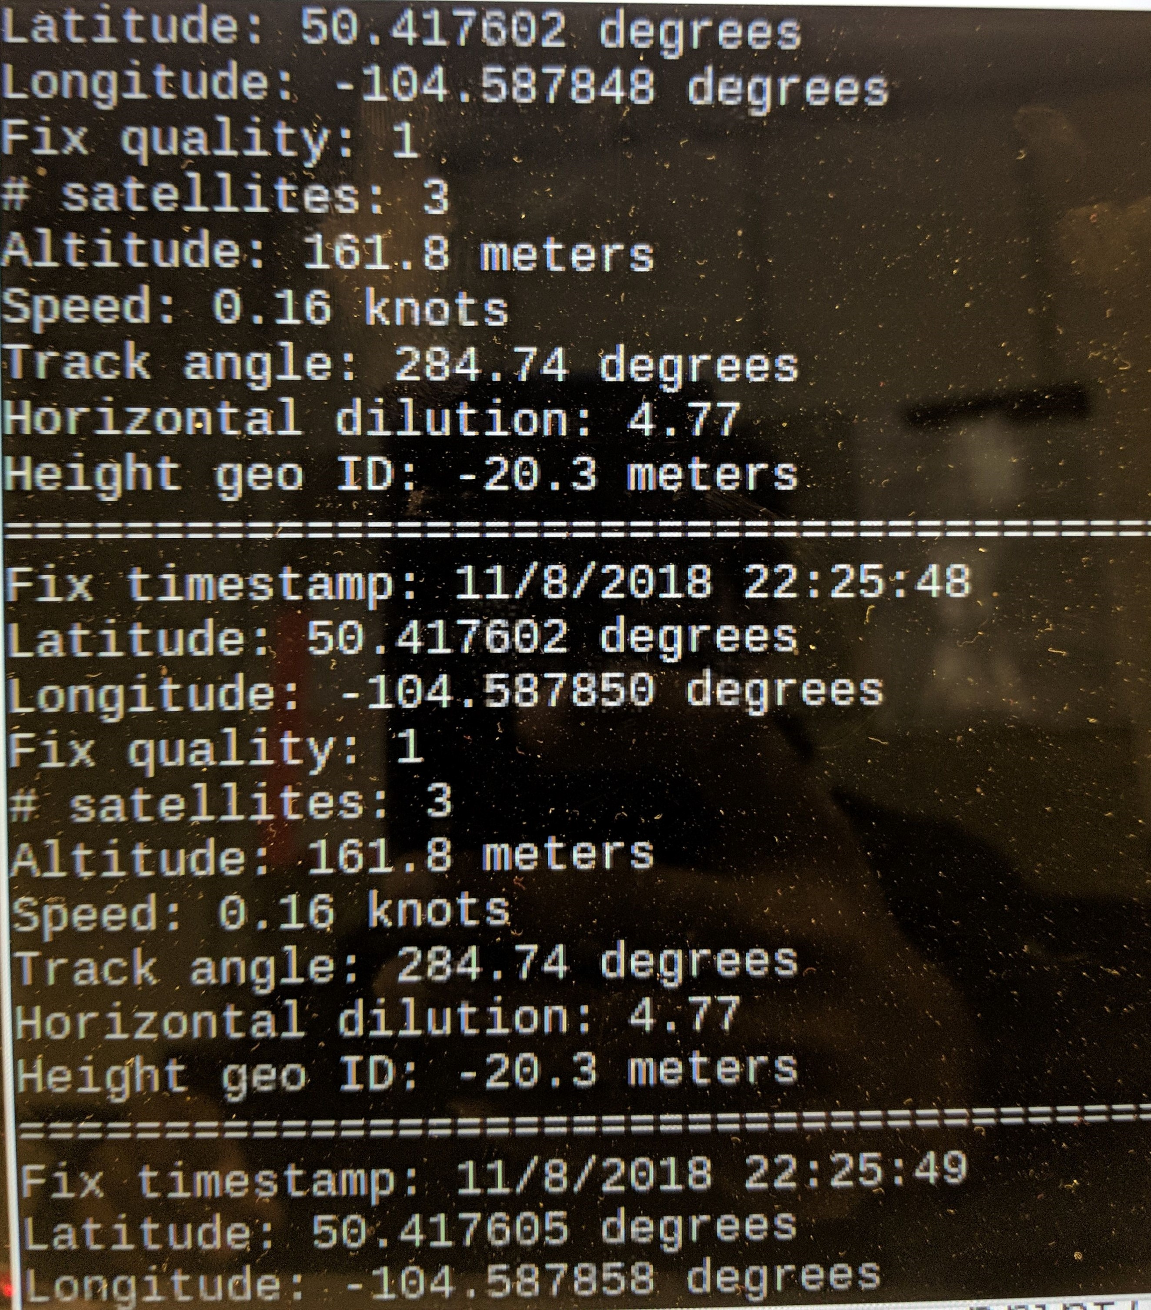
Test Case ID: |  | 2 |  | Designed by: | Talha
Test Priority (Low/Medium/High): |  | Medium
Module Name |  | GPS Testing |  | Test Executed by: | Iven
Test Titlle: |  | GPS data logging |  | Test Execution date: | November 8th, 2018
Description: |  | GPS data is logged with respect to time signal in order to ensure that sample rate is adequate and device can communicate properly with raspberry pi and record latitude and longitude coordinates.

Pre-conditions: Have to be outside to do test with GPS facing no obstructions to the sky
Components under test: Raspberry Pi, GPS
Test Tools: Computer

Step | Test Steps | Test Data | Expected Results | Actual Result | Satus (Pass/Fail) | Note
1 | Connect GPS to raspberry pi using UART interface on raspberry pi
2 | Run position.py script to record GPS data to terminal | Check image on right
3 | Check results from terminal to see if results are satisfactory | Check image on right | Latitude and longitude coordinates are sampled every second | Based on time stamp data, GPS samples and records coordinates every second | Pass
4
5

Post-Condtion:

